Mind Maps
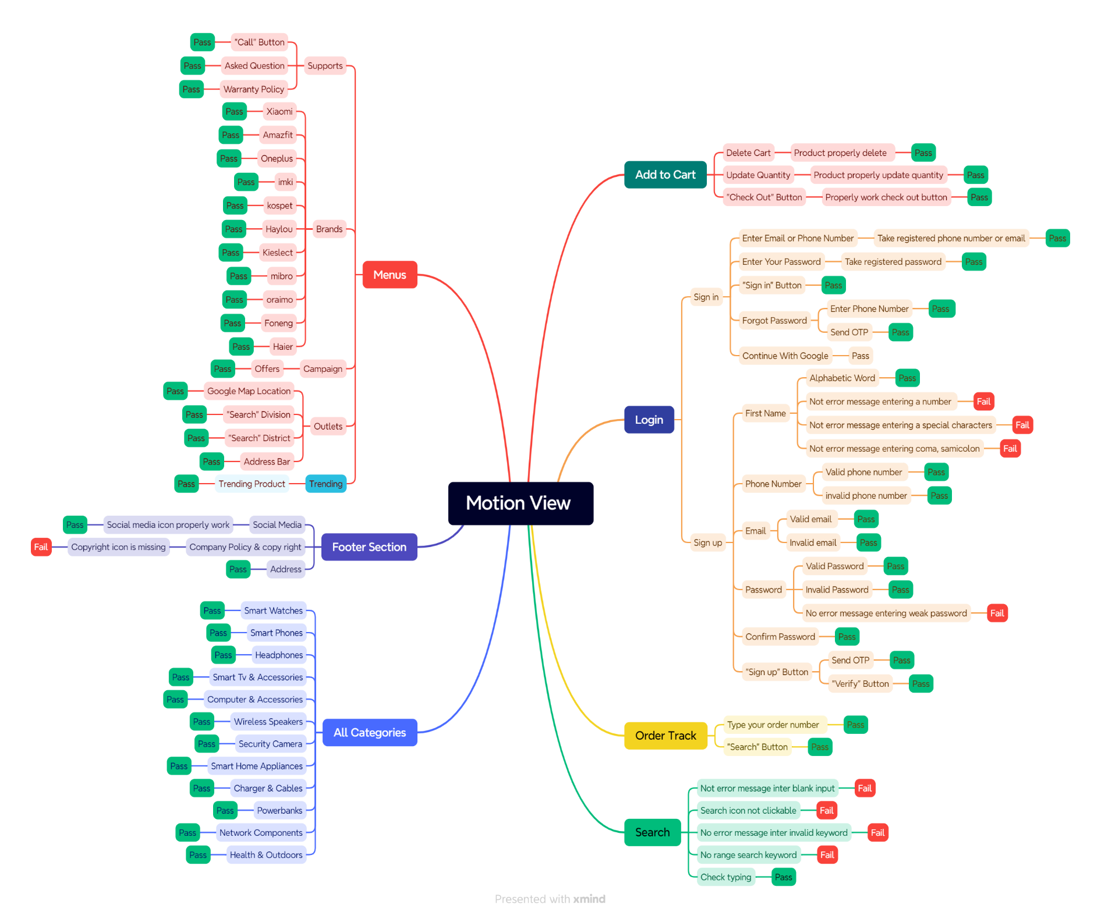
Project Name | Motion View

Test Summary Report
Test Summary Report
Pass | 90
Faill | 10
No Run | 0
Blocked | 0
Test Case Report |  |  |  |  |  | Result |  | New Features:- | Testing Scope:- | Testing Environment :Google Chrome Browser
Project Name |  |  |  |  |  | Total Number | Status
Module Name |  |  |  |  |  | 90 | Pass
Feature Name |  |  |  |  |  | 10 | Fail
Test Case Version |  |  |  |  |  | 0 | No Executed
Written By |  |  |  |  |  | 0 | Out of Scope
Executed By
Test Execution Report
Test Case | Pass | Fail | Not Executed | Out of Scope | Total Test Case
 | 90 | 10 | 0 | 0 | 100

Total | 90 | 10 | 0 | 0 | 100

Limitation
Documents |  |  |  | Received | Useful
PRD |  |  |  | No | No
User Story |  |  |  | No | No

 |  | Testing Type in Scope |  | Description
Yes/No. Justification (If no): |  | Functionl Testing

Yes/No. Justification (If no): |  | Intregration Testing

Yes/No. Justification (If no): |  | Negative Testing

Yes/No. Justification (If no): |  | Usability Testing

Yes/No. Justification (If no): |  | Browser Compatibility Testing

Yes/No. Justification (If no): |  | Boundary Value Testing

Yes/No. Justification (If no): |  | Risk Based Test or Regression Test

Yes/No. Justification (If no):

